工作表1
 | PI type | PI | PI pre cure |  | PI PB |  | PA dosage (EYE) | PA PB
 |  |  | temp | time | temp | time |  | temp | time
Nissan | PA (254nm) | RB-005 | 80oC | 120s | 230oC | 1800s | 400mJ | 230 ℃ | 1800 s
Nissan | PA (254nm) | RB-205 | 80oC | 120s | 230oC | 1800s | 300mJ | 230 ℃ | 1800 s
Nissan | PA (254nm) | RB-014 | 80oC | 120s | 230oC | 1800s | 400mJ | 230 ℃ | 1800 s

 | PI type | PI | PI pre cure |  | PI PB |  | PA dosage (EYE) | PA PB
 |  |  | temp | time | temp | time |  | temp | time
Fab5 | PA (254nm) | RB-005 | 130oC | 75s | 210oC | 600s | 220mJ | 230 ℃ | 1800 s
Fab5 | PA (254nm) | RB-205 | 130oC | 75s | 230oC | 1800s | 220mJ | 230 ℃ | 1800 s
Fab5 | PA (254nm) | RB-014 | 130oC | 75s | 230oC | 1800s | 400mJ | 230 ℃ | 1800 s

 | PI type | PI | PI pre cure |  | PI PB |  | PA dosage (EYE) | PA PB
 |  |  | temp | time | temp | time |  | temp | time
Fab3 | PA (254nm) | RB-005 |  |  |  |  | 220mJ
Fab3 | PA (254nm) | RB-205 |  |  |  |  | 220mJ
Fab3 | PA (254nm) | RB-014 |  |  |  |  | 400mJ

九宮格 | PI type | PI | PI pre cure (chamber) |  | PI PB |  | F5 & F3 PA dosage (EYE) | PA PB
APR 印 |  |  | temp | time | temp | time |  | temp | time
RD line | PA (254nm) | RB-005 | 70oC | 75s | 210oC | 600s | 220mJ | 230 ℃ | 1800 s
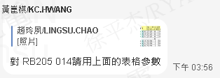
RD line | PA (254nm) | RB-205 | 70oC | 75s | 230oC | 1800s | 220mJ | 230 ℃ | 1800 s
RD line | PA (254nm) | RB-014 | 70oC | 75s | 230oC | 1800s | 400mJ | 230 ℃ | 1800 s
RD line | PA (254nm) | 1062D | 70oC | 75s | 230oC | 1800s | 250mJ | 230 ℃ | 1800 s

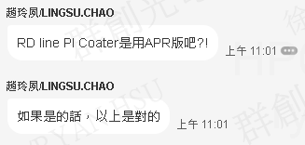
2211 | PI type | PI | PI pre cure (hot plate ?) |  | PI PB |  | CMC PA dosage (VTEC) | PA PB
Spin Coat |  |  | temp | time | temp | time |  | temp | time
RD line | PA (254nm) | RB-005 | 90℃ | 90s | 210℃ | 600s | 300 | 230 ℃ | 1800 s
RD line | PA (254nm) | 1062D | 90oC | 90s | 230oC | 1800s | 300 | 230 ℃ | 1800 s

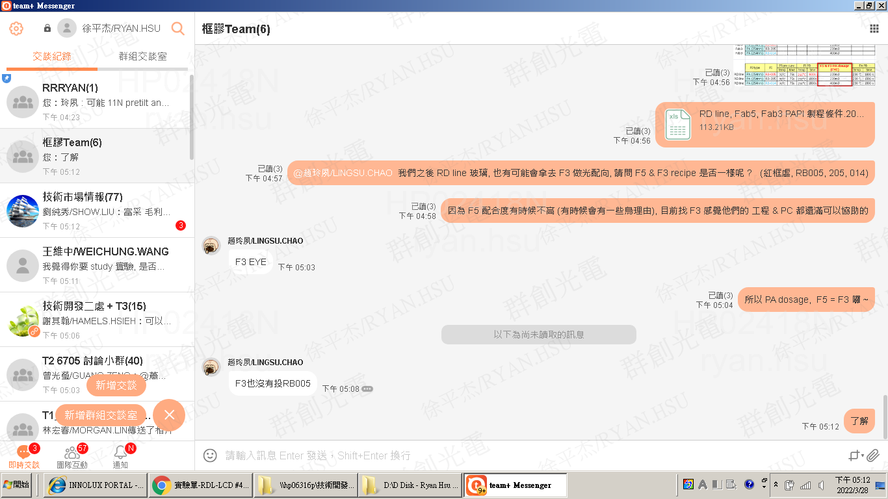
2211 | PI type | PI | PI pre cure (hot plate ?) |  | PI PB |  | RD Line PA dosage (VTEC) | PA PB
Spin Coat |  |  | temp | time | temp | time |  | temp | time
RD line | PA (254nm) | RB-005 | 90℃ | 90s | 210℃ | 600s | 220 | 230 ℃ | 1800 s
RD line | PA (254nm) | 1062D | 90oC | 90s | 230oC | 1800s | 250 | 230 ℃ | 1800 s

 | PI type | PI | PI pre cure |  | PI PB |  | PA dosage (USHIO) | PA PB
 |  |  | temp | time | temp | time |  | temp | time
T2 | PA (254nm) | RB-005 | 135 | 80 | 210oC | 600s | 240mJ | 230 | 1800
T2 | PA (254nm) | RB-205 | 135 | 80 | 230oC | 1800s | 240mJ | 230 | 1800
T2 | PA (254nm) | RB-014 | 135 | 80 | 230oC | 1800s | 450mJ | 230 | 1800

 |  |  |  |  |  |  | USHIO = 1.12 * EYE

 |  |  |  |  |  |  | CMC 300 = INX EYE 252 = INX USHIO 282 (Ushio = EYE * 1.12 = 252*1.12)

T2

